Lilly Mod 6 Ex. 1
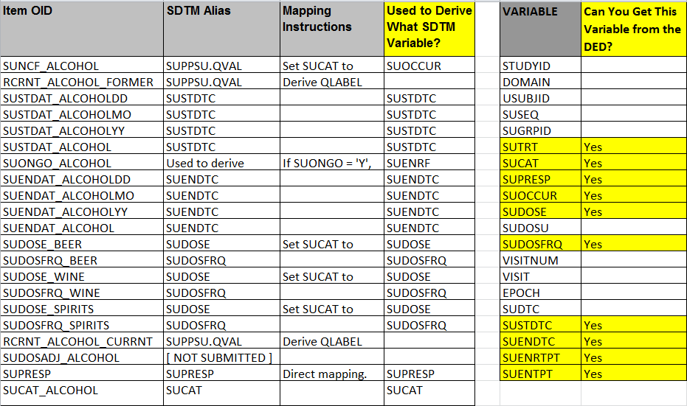
CRF Variables (ONLY use Variables in SYST3001 CRF.png) | Use DED to map to SDTM Alias | Lilly Required SDTM CM Variables (According to CM Standard) | Lilly Required Variables on the CRF | Lilly Required Variables not on the CRF

Instructions for Mod 6 Ex. 2
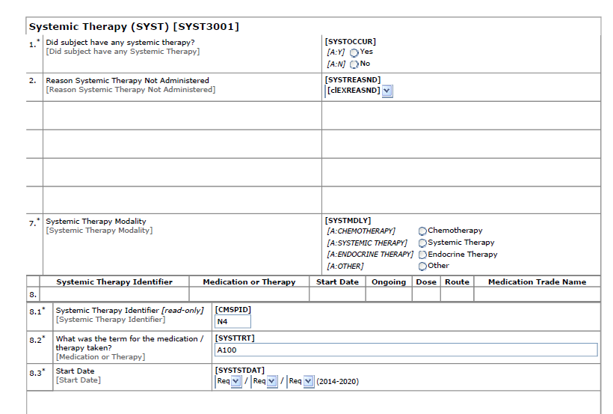
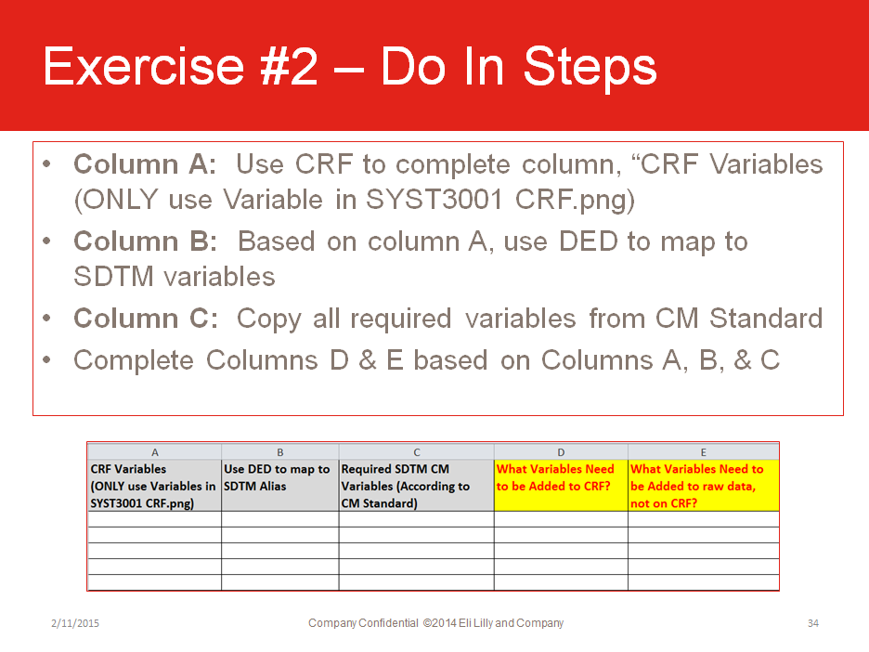
•Open the Lilly Mod 6 Exercise Template, tab: Lilly Mod 6 Ex. 2
•Open the DED “TA-DED_SYST3001_V6 0.xls”
•Column G: Use the DED column “SDTM Alias” to copy all the SDTM variables held in the DED
•Remove variables that reference “SUPPxx.QVAL or [NOT SUBMITTED]
•Column H: Utilizing Columns E (Required Variables not on CRF) and Column G (DED/CRF variables) determine which Lilly Required variables need be added to the CRF
•Column I: Utilizing Columns E (Required Variables not on CRF) and Column G (DED/CRF variables) determine the Lilly Required variables that will not have the CRF as the source

